Users
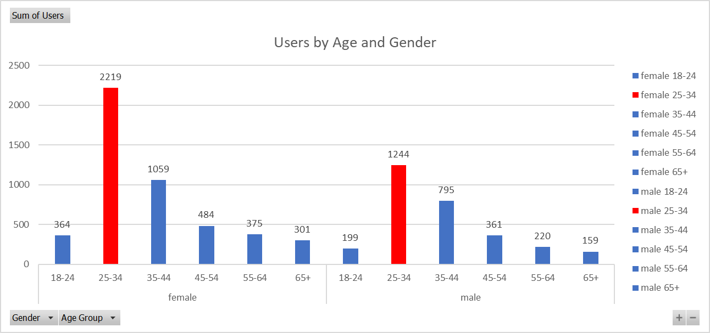

Users who have initiated at least one session during the date range. Learn more about how Analytics calculates the number of users.

New Users
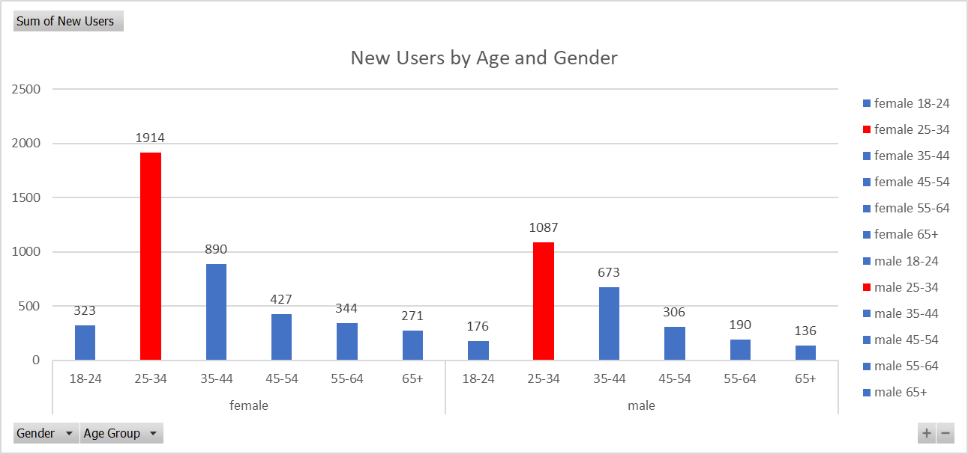

The number of first-time users during the selected date range. Learn more about how Analytics calculates the number of users.

Sessions
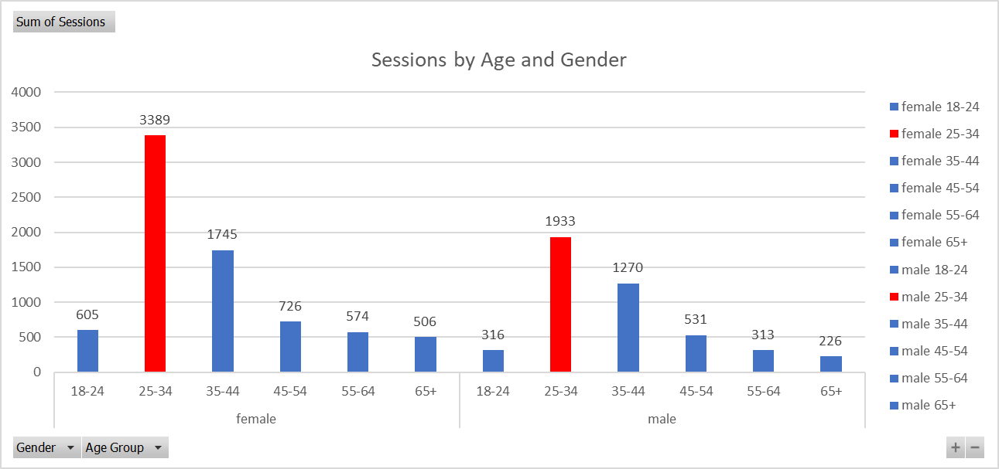

Total number of Sessions within the date range. A session is the period time a user is actively engaged with your website, app, etc. All usage data (Screen Views, Events, Ecommerce, etc.) is associated with a session.

Bounce Rate
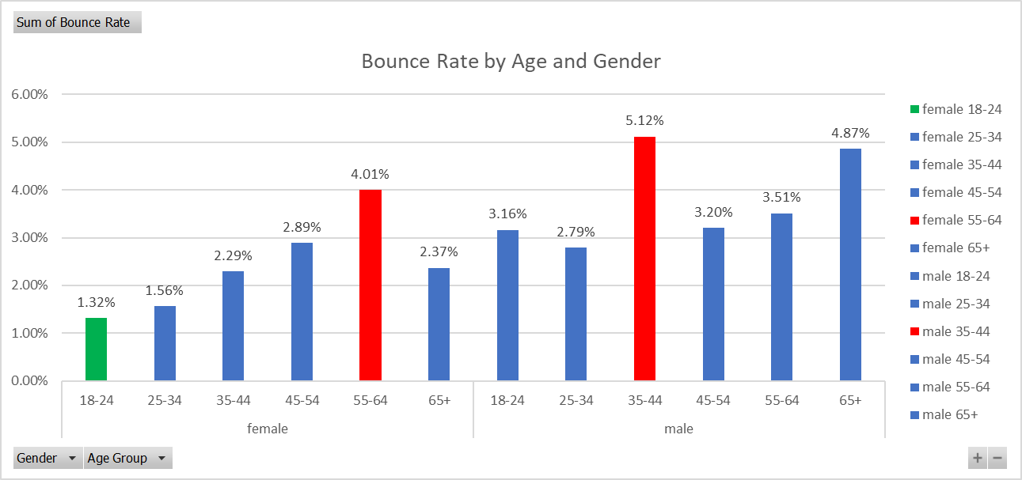

The percentage of single-page sessions in which there was no interaction with the page. A bounced session has a duration of 0 seconds.

# Pages Per Session
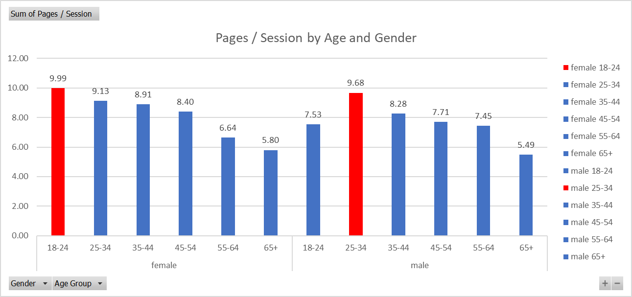

Pages/Session (Average Page Depth) is the average number of pages viewed during a session. Repeated views of a single page are counted.

Avg. Session Duration
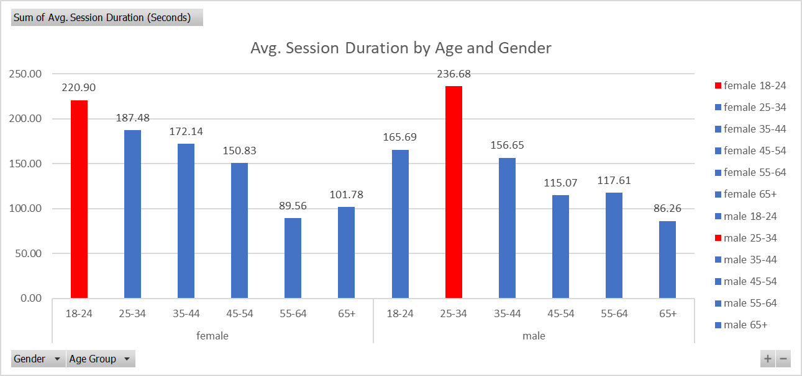

The average length of a Session. Numbers are in Seconds

Transactions
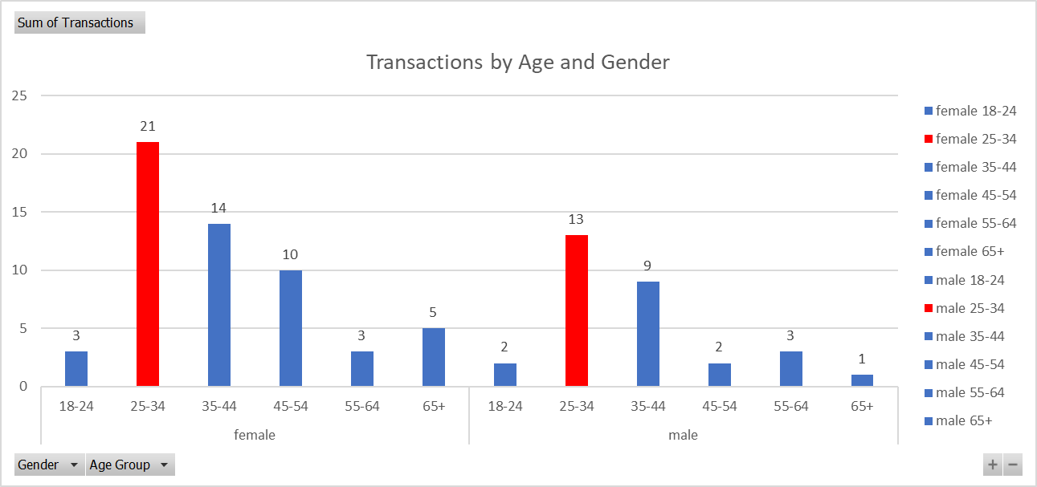

Transactions is the total number of completed purchases on your site.

Revenue
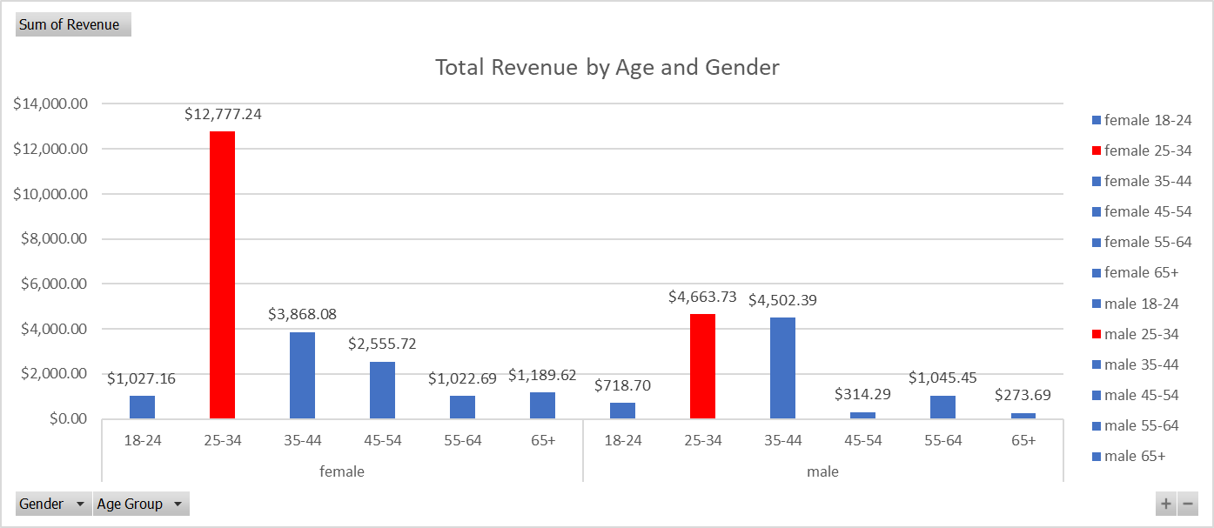

The total revenue from web ecommerce or in-app transactions. Depending on your implementation, this can include tax and shipping.

Conversions
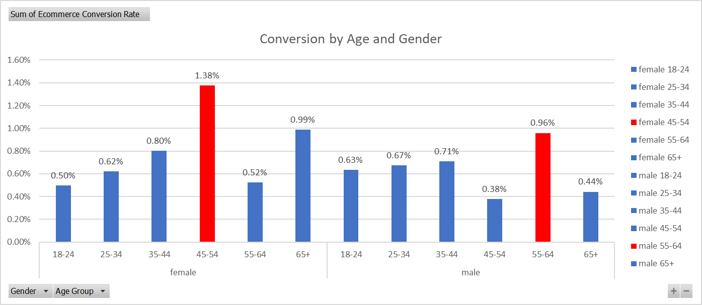

The percentage of sessions that resulted in an e-commerce transaction.

